Sheet1
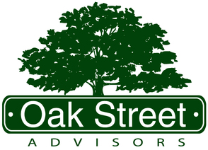
Oak Street Advisors Personal Budget Template

Income | $-

Step 1 Expenses
Mortgage | $-
Bills (Power/Cable/Netflix/Gym etc) | $-
Car Payment | $-
Taxes/Insurance | $-
Gas | $-
Groceries | $-
Spending for the Month (Dining, Entertainment, Clothing etc) | $-
Life Insurance | $-
Student Loans | $-
Daycare | $-
Miscellaneous | $-

Total Step 1 Expenses | $-

Remaining Funds | $-

Step 2 Expenses
Emergency Fund Savings | $-

Total Step 2 Expenses | $-

Remaining Funds | $-

Step 3/4 Expenses
Employer Retirement (401k, 403b, 457b etc) | $-
IRA Contributions | $-
College Savings | $-
Taxable Investment Contributions | $-
Extra Student Loan Payments | $-
Credit Card Debt | $-
Paying Down Mortgage/ Auto Loan | $-

Total Step 3/4 Expenses | $-

Remaining Funds | $-

Step 5 Savings
Travel | $-
Down Payment | $-
Wedding | $-
Investment | $-
Other | $-

Remaining | $-

